INPUT
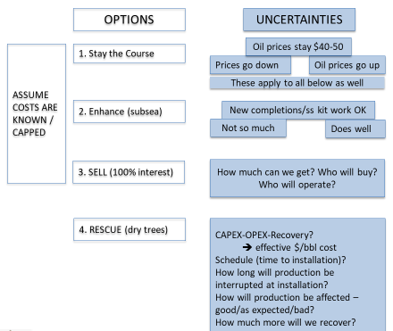
DQM model for WORLD OIL-article |  | CASE | STONES | INPUT | = Assumptions
STAY THE COURSE… minimize investment
ENHANCE the subsea system… new investment limits $1-2B
SELL as much as possible
RESCUE with FrPS
 | $45.00 | /bbl, EXPECTED OIL price CONSTANT REAL DOLLARS
STAY the Course | $30.00 | /bbl, LOW OIL price
 | $60.00 | /bbl, HIGH OIL price

 | $15.00 | /bbl, OPEX etc. for subsea
 | $6.00 | /bbl, OPEX etc. for dry tree option

 | 50,000,000 | bbls, reserves remaining to be produced

ENHANCE subsea | $1,000 | M, new CAPEX, expected
 | $500 | low CAPEX
 | $1,500 | high CAPEX
 | 10% | SUBSEA recovery ENHANCEMENT, expected
 | 0% | recovery ENHANCEMENT, LOW
 | 20% | recovery ENHANCEMENT, HIGH
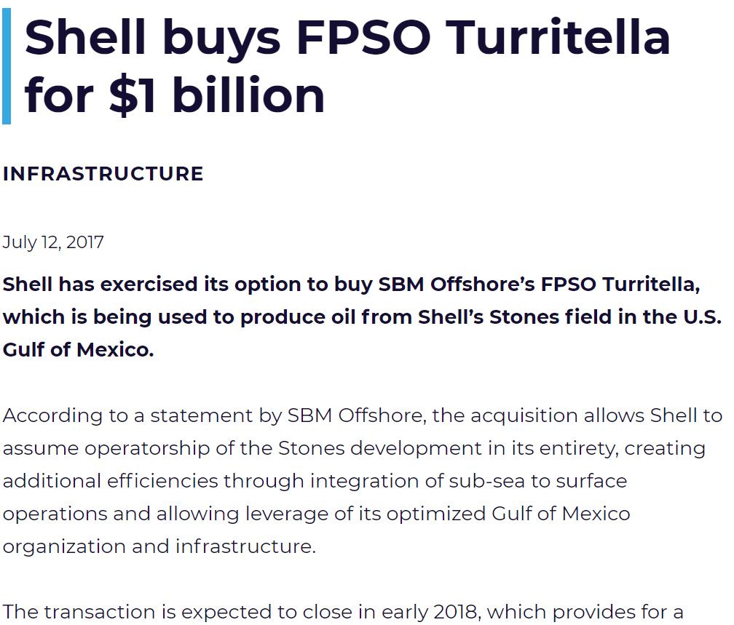
 | $20.00 | /bbl SALES price, EXPECTED… covers cost of FPSO
SELL | $15.00 | /bbl SALES price, LOW
 | $25.00 | /bbl SALES price, HIGH

 | $1,000 | M, new CAPEX, expected |  | 30% | Expected Reserves INCREASE
RESCUE | $750 | low CAPEX |  | 10% | low INCREASE (Exp'd/3)
 | $1,500 | high CAPEX |  | 60% | high INCREASE (Exp'd*2)

